output for phase 1
page 1 - report | https://www.canva.com/design/DAG4qOjGHDc/K9b8eY1HZOu2tqOV03IMCg/edit?utm_content=DAG4qOjGHDc&utm_campaign=designshare&utm_medium=link2&utm_source=sharebutton
CPF PROJECTION

Your CPF Savings On | 2026-03-27
$7,500 | $2,500 | $2,500
Ordinary Account (OA) | Special Account (SA) | Medisave Account (MA)

Projected CPF savings at age 55
$641,964 | $549,332 | $199,994
Ordinary Account (OA) | Special Account (SA) | Medisave Account (MA)

Projected CPF savings at age 60
$842,830 | $740,905 | $237,530
Ordinary Account (OA) | Retirement Account (RA) | Medisave Account (MA)

Projected retirement sums at 55
$279,084 | $558,168 | $1,116,335
Basic Retirement Sum (BRS) | Full Retirement Sum (FRS) | Enhanced Retirement Sum (ERS)

Projected retirement sums at 65
$413,112 | $826,225 | $1,574,701
Basic Retirement Sum (BRS) | Full Retirement Sum (FRS) | Enhanced Retirement Sum (ERS)

Retirement sum eligibility
 | Total CPF | BRS | FRS | ERS
 |  | Basic Retirement Sum (BRS) | yes

 |  | Full Retirement Sum (FRS) | yes

 |  | Enhanced Retirement Sum (ERS) | yes

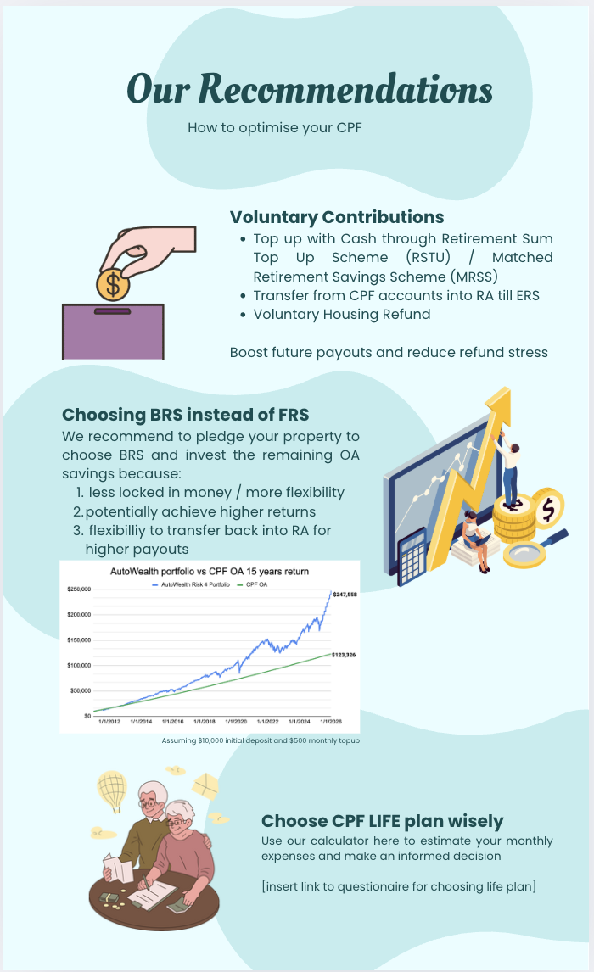
 |  |  |  | >55 only

life payout table comparison
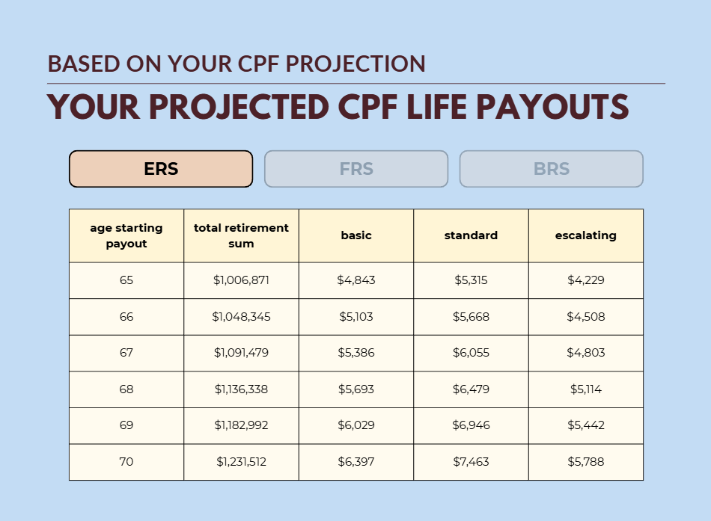
retirement sums | brs | frs | ers
 | $413,112 | $826,225 | $1,574,701
plans | cpf life premiums
basic | 10-20%
standard | 100.00%
escalating | 100.00%

 | brs |  |  |  | frs |  |  |  | ers
age starting payout | total retirement sum | basic | standard | escalating | total retirement sum | basic | standard | escalating | total retirement sum | basic | standard | escalating
65 | $413,112 | $2,008 | $2,231 | $1,735 | $826,225 | $3,970 | $4,411 | $3,470 | $1,574,701 | $7,525 | $8,362 | $6,614
66 | $430,537 | $2,116 | $2,377 | $1,851 | $860,174 | $4,183 | $4,700 | $3,699 | $1,638,590 | $7,929 | $8,909 | $7,046
67 | $448,658 | $2,233 | $2,538 | $1,974 | $895,481 | $4,415 | $5,017 | $3,940 | $1,705,033 | $8,367 | $9,508 | $7,502
68 | $467,505 | $2,361 | $2,714 | $2,104 | $932,200 | $4,666 | $5,364 | $4,195 | $1,774,134 | $8,843 | $10,164 | $7,984
69 | $487,105 | $2,501 | $2,908 | $2,241 | $970,388 | $4,941 | $5,746 | $4,464 | $1,846,000 | $9,363 | $10,887 | $8,492
70 | $507,489 | $2,654 | $3,123 | $2,385 | $1,010,103 | $5,243 | $6,169 | $4,747 | $1,920,740 | $9,934 | $11,687 | $9,027

escalating plan payouts | brs |  |  |  |  |  | frs |  |  |  |  |  | ers
age/payout starting age | 65 | 66 | 67 | 68 | 69 | 70 | 65 | 66 | 67 | 68 | 69 | 70 | 65 | 66 | 67 | 68 | 69 | 70
65 | $1,735 |  |  |  |  |  | $3,470 |  |  |  |  |  | $6,614
66 | $1,770 | $1,851 |  |  |  |  | $3,540 | $3,699 |  |  |  |  | $6,746 | $7,046
67 | $1,805 | $1,888 | $1,974 |  |  |  | $3,610 | $3,773 | $3,940 |  |  |  | $6,881 | $7,187 | $7,502
68 | $1,841 | $1,926 | $2,014 | $2,104 |  |  | $3,683 | $3,848 | $4,019 | $4,195 |  |  | $7,019 | $7,331 | $7,652 | $7,984
69 | $1,878 | $1,965 | $2,054 | $2,146 | $2,241 |  | $3,756 | $3,925 | $4,099 | $4,279 | $4,464 |  | $7,159 | $7,477 | $7,805 | $8,143 | $8,492
70 | $1,916 | $2,004 | $2,095 | $2,189 | $2,285 | $2,385 | $3,831 | $4,004 | $4,181 | $4,364 | $4,553 | $4,747 | $7,302 | $7,627 | $7,961 | $8,306 | $8,661 | $9,027
71 | $1,954 | $2,044 | $2,137 | $2,233 | $2,331 | $2,433 | $3,908 | $4,084 | $4,265 | $4,452 | $4,644 | $4,842 | $7,448 | $7,779 | $8,121 | $8,472 | $8,835 | $9,208
72 | $1,993 | $2,085 | $2,180 | $2,277 | $2,378 | $2,482 | $3,986 | $4,165 | $4,350 | $4,541 | $4,737 | $4,939 | $7,597 | $7,935 | $8,283 | $8,642 | $9,011 | $9,392
73 | $2,033 | $2,127 | $2,223 | $2,323 | $2,425 | $2,531 | $4,066 | $4,249 | $4,437 | $4,632 | $4,832 | $5,038 | $7,749 | $8,094 | $8,449 | $8,815 | $9,192 | $9,580
74 | $2,074 | $2,169 | $2,268 | $2,369 | $2,474 | $2,582 | $4,147 | $4,334 | $4,526 | $4,724 | $4,928 | $5,139 | $7,904 | $8,255 | $8,618 | $8,991 | $9,375 | $9,772
75 | $2,115 | $2,212 | $2,313 | $2,417 | $2,523 | $2,633 | $4,230 | $4,420 | $4,616 | $4,819 | $5,027 | $5,242 | $8,062 | $8,421 | $8,790 | $9,171 | $9,563 | $9,967
76 | $2,157 | $2,257 | $2,359 | $2,465 | $2,574 | $2,686 | $4,315 | $4,509 | $4,709 | $4,915 | $5,127 | $5,346 | $8,223 | $8,589 | $8,966 | $9,354 | $9,754 | $10,166
77 | $2,200 | $2,302 | $2,406 | $2,514 | $2,625 | $2,740 | $4,401 | $4,599 | $4,803 | $5,013 | $5,230 | $5,453 | $8,388 | $8,761 | $9,145 | $9,541 | $9,949 | $10,370
78 | $2,245 | $2,348 | $2,455 | $2,564 | $2,678 | $2,795 | $4,489 | $4,691 | $4,899 | $5,114 | $5,335 | $5,562 | $8,556 | $8,936 | $9,328 | $9,732 | $10,148 | $10,577
79 | $2,289 | $2,395 | $2,504 | $2,616 | $2,731 | $2,851 | $4,579 | $4,785 | $4,997 | $5,216 | $5,441 | $5,674 | $8,727 | $9,115 | $9,515 | $9,927 | $10,351 | $10,789
80 | $2,335 | $2,443 | $2,554 | $2,668 | $2,786 | $2,908 | $4,670 | $4,880 | $5,097 | $5,320 | $5,550 | $5,787 | $8,901 | $9,297 | $9,705 | $10,125 | $10,558 | $11,004
81 | $2,382 | $2,492 | $2,605 | $2,721 | $2,842 | $2,966 | $4,764 | $4,978 | $5,199 | $5,427 | $5,661 | $5,903 | $9,079 | $9,483 | $9,899 | $10,328 | $10,769 | $11,225
82 | $2,430 | $2,541 | $2,657 | $2,776 | $2,899 | $3,025 | $4,859 | $5,078 | $5,303 | $5,535 | $5,774 | $6,021 | $9,261 | $9,673 | $10,097 | $10,534 | $10,985 | $11,449
83 | $2,478 | $2,592 | $2,710 | $2,831 | $2,957 | $3,086 | $4,956 | $5,179 | $5,409 | $5,646 | $5,890 | $6,141 | $9,446 | $9,866 | $10,299 | $10,745 | $11,204 | $11,678
84 | $2,528 | $2,644 | $2,764 | $2,888 | $3,016 | $3,147 | $5,055 | $5,283 | $5,517 | $5,759 | $6,008 | $6,264 | $9,635 | $10,063 | $10,505 | $10,960 | $11,429 | $11,912
85 | $2,578 | $2,697 | $2,819 | $2,946 | $3,076 | $3,210 | $5,156 | $5,388 | $5,627 | $5,874 | $6,128 | $6,389 | $9,828 | $10,265 | $10,715 | $11,179 | $11,657 | $12,150
86 | $2,630 | $2,751 | $2,876 | $3,005 | $3,137 | $3,274 | $5,260 | $5,496 | $5,740 | $5,991 | $6,250 | $6,517 | $10,024 | $10,470 | $10,929 | $11,403 | $11,890 | $12,393
87 | $2,682 | $2,806 | $2,933 | $3,065 | $3,200 | $3,340 | $5,365 | $5,606 | $5,855 | $6,111 | $6,375 | $6,648 | $10,225 | $10,679 | $11,148 | $11,631 | $12,128 | $12,641
88 | $2,736 | $2,862 | $2,992 | $3,126 | $3,264 | $3,407 | $5,472 | $5,718 | $5,972 | $6,233 | $6,503 | $6,781 | $10,429 | $10,893 | $11,371 | $11,863 | $12,371 | $12,893
89 | $2,791 | $2,919 | $3,052 | $3,189 | $3,330 | $3,475 | $5,582 | $5,833 | $6,091 | $6,358 | $6,633 | $6,916 | $10,638 | $11,111 | $11,598 | $12,100 | $12,618 | $13,151
90 | $2,847 | $2,978 | $3,113 | $3,252 | $3,396 | $3,544 | $5,693 | $5,949 | $6,213 | $6,485 | $6,766 | $7,055 | $10,851 | $11,333 | $11,830 | $12,342 | $12,870 | $13,414
91 | $2,904 | $3,037 | $3,175 | $3,317 | $3,464 | $3,615 | $5,807 | $6,068 | $6,337 | $6,615 | $6,901 | $7,196 | $11,068 | $11,560 | $12,067 | $12,589 | $13,128 | $13,683
92 | $2,962 | $3,098 | $3,239 | $3,384 | $3,533 | $3,687 | $5,923 | $6,190 | $6,464 | $6,747 | $7,039 | $7,340 | $11,289 | $11,791 | $12,308 | $12,841 | $13,390 | $13,956
93 | $3,021 | $3,160 | $3,303 | $3,451 | $3,604 | $3,761 | $6,042 | $6,313 | $6,593 | $6,882 | $7,180 | $7,486 | $11,515 | $12,027 | $12,554 | $13,098 | $13,658 | $14,235
94 | $3,081 | $3,223 | $3,370 | $3,520 | $3,676 | $3,836 | $6,162 | $6,440 | $6,725 | $7,020 | $7,323 | $7,636 | $11,745 | $12,267 | $12,805 | $13,360 | $13,931 | $14,520
95 | $3,143 | $3,288 | $3,437 | $3,591 | $3,750 | $3,913 | $6,286 | $6,568 | $6,860 | $7,160 | $7,470 | $7,789 | $11,980 | $12,512 | $13,061 | $13,627 | $14,210 | $14,811
96 | $3,206 | $3,353 | $3,506 | $3,663 | $3,825 | $3,991 | $6,411 | $6,700 | $6,997 | $7,303 | $7,619 | $7,945 | $12,219 | $12,763 | $13,323 | $13,900 | $14,494 | $15,107
97 | $3,270 | $3,420 | $3,576 | $3,736 | $3,901 | $4,071 | $6,540 | $6,834 | $7,137 | $7,449 | $7,772 | $8,103 | $12,464 | $13,018 | $13,589 | $14,178 | $14,784 | $15,409
98 | $3,335 | $3,489 | $3,647 | $3,811 | $3,979 | $4,153 | $6,670 | $6,970 | $7,280 | $7,598 | $7,927 | $8,265 | $12,713 | $13,278 | $13,861 | $14,461 | $15,080 | $15,717
99 | $3,402 | $3,559 | $3,720 | $3,887 | $4,059 | $4,236 | $6,804 | $7,110 | $7,425 | $7,750 | $8,086 | $8,431 | $12,967 | $13,544 | $14,138 | $14,750 | $15,381 | $16,031
100 | $3,470 | $3,630 | $3,795 | $3,965 | $4,140 | $4,320 | $6,940 | $7,252 | $7,574 | $7,905 | $8,247 | $8,599 | $13,227 | $13,815 | $14,421 | $15,045 | $15,689 | $16,352

Basic Plan Payouts
Retirement sum | $270,000
 | 4%
 | 6%
 | 5%
 | 4.33%
 | $1,475

